Bid Sheet
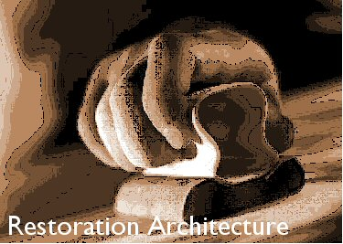

 | Bid Sheet - Old Highland Library Renovation

 |  | Profit | 15.00%

 | Base Bid | Alt #1 | Alt #2 | Base Bid + Alt
Materials | $173,081.00 | $33,673.00 | $7,619.00 | $214,373.00
Labor | $45,749.00 | $10,023.75 | $4,977.75 | $60,750.50
Profit | $32,824.50 | $6,554.51 | $1,889.51 | $41,268.53

Total Bid | $251,654.50 | $50,251.26 | $14,486.26 | $316,392.03

My estimate on the bid maximum | $300,000.00
Minimum profit I need | 10.00%
Maximum I can pay plumbers | $25.00

